Reference Data
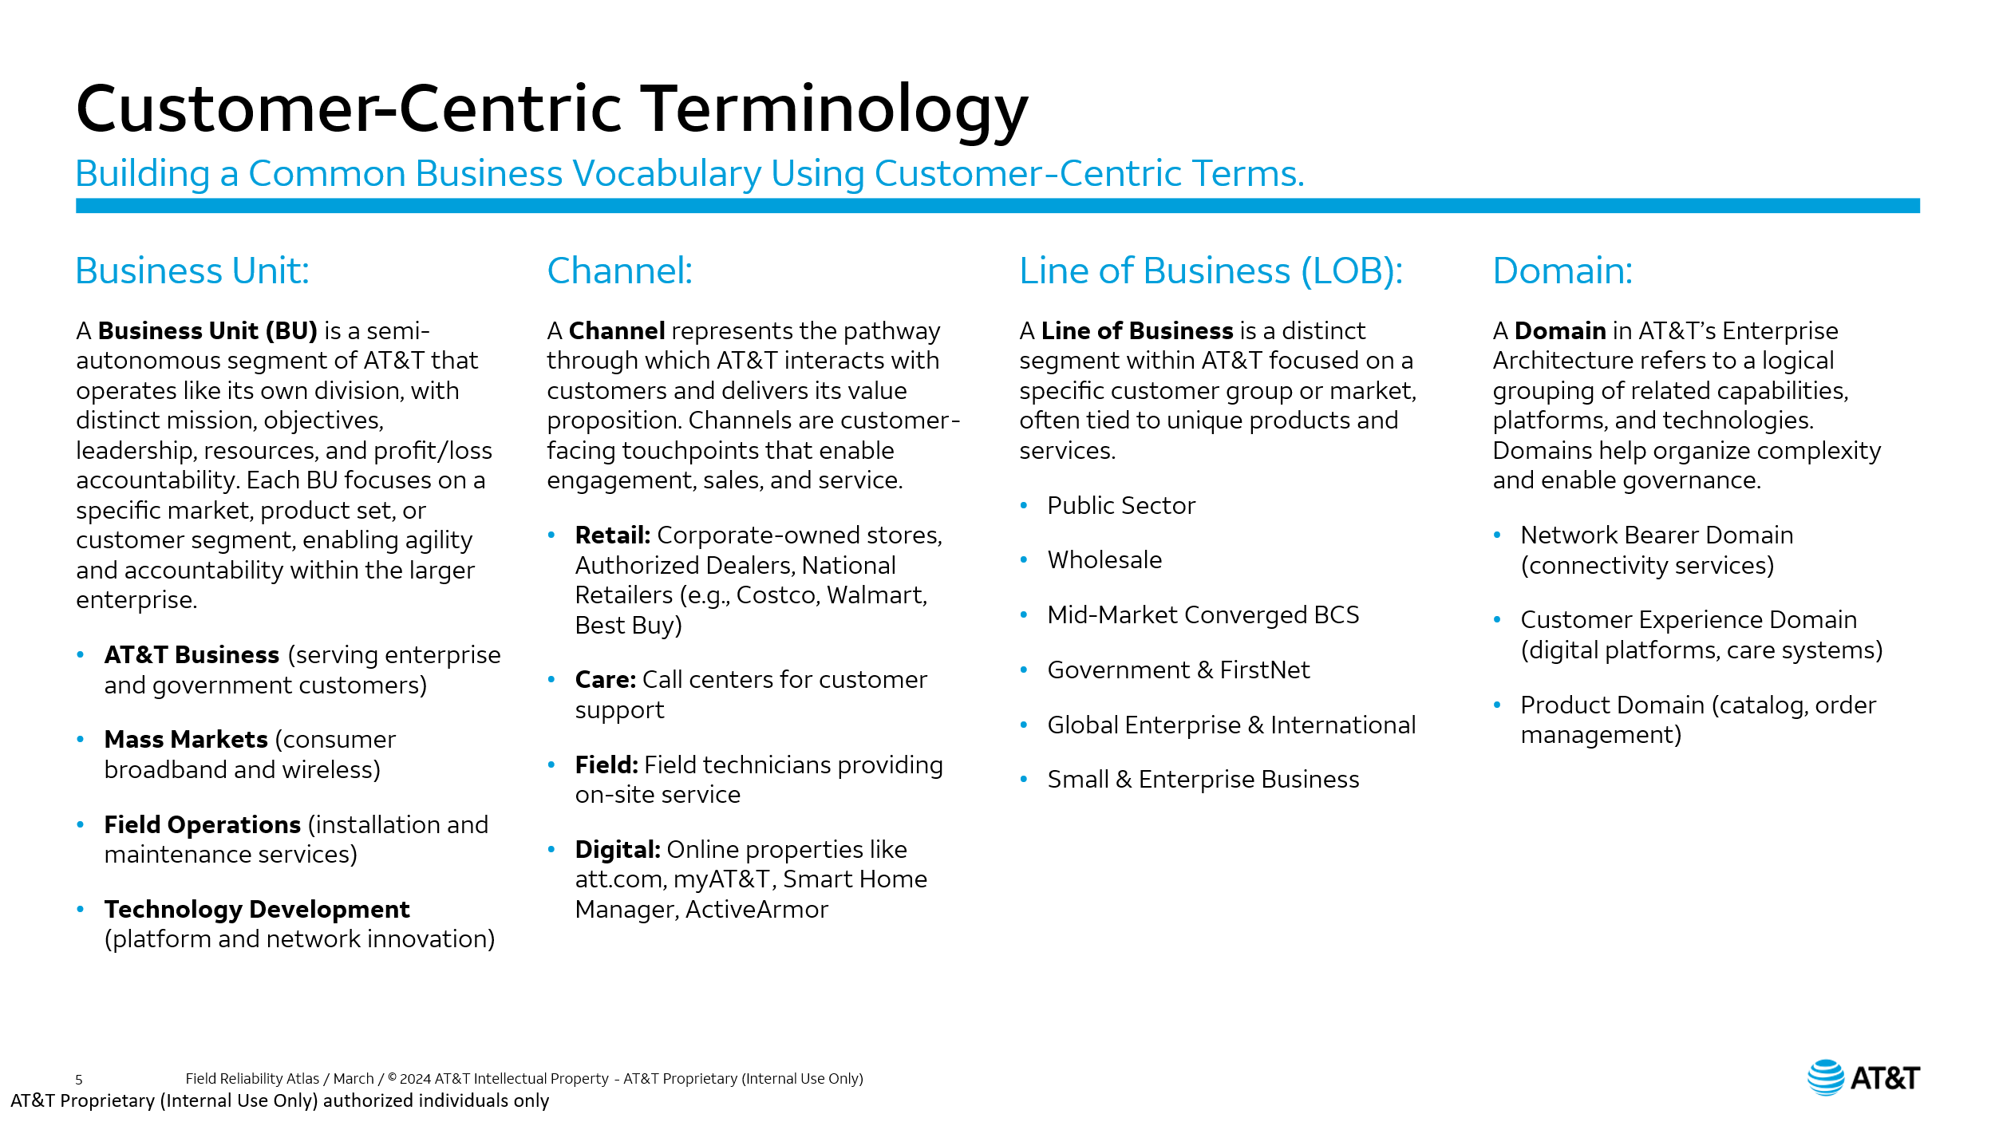
CHANNELS |  |  | Mass Markets Journey Model
Corporate Systems | AT&T Business | Mass Markets | MM Channels | MM Products | D Seq | MM Domains | SD Seq | MM Subdomains2
Human Resources | Customer Sales & Support | Field | Field | Mobility | 1 | Shop & Purchase | 1 | Learn & Discover
Finance | Business Field Services | Care | Care | Broadband |  |  | 2 | Order Plan/Device
Supply Chain | Customer Advocacy | Retail | Retail | Wholesale Mobility |  |  | 3 | Order Addtional Products/Services
 | Service Assurance | MVNO | MVNO | AIA |  |  | 4 | Build Cart
 | Service Delivery | Online | Online | OneConnect |  |  | 5 | Checkout
 | Global Enterprise Sales |  |  |  | 2 | Onboard & Activate | 1 | Receive Products
 | Mid-Market Sales |  |  |  |  |  | 2 | Unbox Products
 | Public Sector Sales |  |  |  |  |  | 3 | Setup & Activate
 | Partner Solutions |  |  |  |  |  | 4 | Configure Settings & Preferences
 | International Ecosystem Solutions |  |  |  | 3 | Use & Manage | 1 | Change Settings & Prefrences
 | Digital Experience |  |  |  |  |  | 2 | Change Plan / Change Speed
 |  |  |  |  |  |  | 3 | Change Feature
PRODUCTS |  |  |  |  |  |  | 4 | Upgrade Device / Equipment
Corporate Systems | Business | Mass Markets |  |  |  |  | 5 | Order Additional Service
SOX | ABF | Mobility |  |  |  |  | 6 | Upgrade Roles & Responsibilities
 | ADI | Wholesale Mobility |  |  | 4 | Service & Support | 1 | Report Issue
 | ASE | Broadband |  |  |  |  | 2 | Troubleshoot Issue
 | ASEoD | AIA |  |  |  |  | 3 | Resolve Issue
 | IoT with AWB | OneConnect |  |  |  |  | 4 | Confirm Resolution
 | Mobility with AWB |  |  |  |  |  | 5 | Return Equipment
 | ADD |  |  |  | 5 | Close & Separate | 1 | Close Account
 | CRU |  |  |  |  |  | 2 | Return Equipment
 | HSIA
 | OAH |  | Business Journey Model
 | HSIA-E |  | Business Channels | Business Products | D Seq | Business Domains | SD Seq | Business Subdomains3
 |  |  | Business Care and Sales | ABF | 1 | Learn | 1 | Marketing Managment
DOMAINS |  |  | Business Field Services | ADI |  |  | 2 | Advertising Management
Corporate Systems | Business | Mass Markets | Customer Advocacy | ASE |  |  | 3 | Sales Account Management
Onboard | Learn | Shop & Purchase | Service Assurance | ASEoD |  |  | 4 | Sales Activity Management
Manage | Buy | Onboard & Activate | Service Delivery | IoT with AWB |  |  | 5 | Campaign Managment
Support | Get | Use & Manage |  | Mobility with AWB |  |  | 6 | Lead Managment
Develop | Use | Service & Support |  | ADD |  |  | 7 | Sales Opportunity Management
Pay | Pay | Close & Separate | Global Enterprise Sales | CRU |  |  | 8 | Discovery Management
Separate | Separate |  | Mid-Market Sales | HSIA |  |  | 9 | Qualification Management
Financial Management Approach |  |  | Public Sector Sales | OAH | 2 | Buy | 1 | Credit Check Management
Manage Financial Resources |  |  | Partner Solutions | HSIA-E |  |  | 2 | Contract Management
Manage Treasury |  |  | International Ecosystem Solutions |  |  |  | 3 | Sales Order Management
Perform Regulatory & Tax Accounting |  |  |  |  |  |  | 4 | Design Management
Report Financial Results |  |  |  |  |  |  | 5 | Pricing Management
Fulfillment |  |  | Digital Experience |  |  |  | 6 | Proposal Management
Logistics |  |  |  |  | 3 | Get | 1 | Order Management
Procurement |  |  |  |  |  |  | 2 | Provisioning Management
Policies |  |  |  |  | 4 | Use | 1 | Access & Security Management
Strategic Planning |  |  |  |  |  |  | 2 | Dashboard Management
Warehouse Management |  |  |  |  |  |  | 3 | Training & Tutorials Management
Support Production |  |  |  |  | 5 | Pay | 1 | Account Pricing Management
 |  |  |  |  |  |  | 2 | Billing Comms Management
SUBDOMAINS |  |  |  |  |  |  | 3 | Bill Event Error Management
Corporate Systems | Business | Mass Markets |  |  |  |  | 4 | Billing Management
Define Requirements | Marketing Managment | Learn & Discover |  |  |  |  | 5 | Commit & Perform Management
Create Workforce Strategy | Advertising Management | Order Plan/Device |  |  |  |  | 6 | Post Bill Management
Competency Modeling | Sales Account Management | Order Addtional Products/Services |  |  |  |  | 7 | Invoice Arrange Management
Employee Recruitment | Sales Activity Management | Build Cart |  |  |  |  | 8 | Payment Management
Hiring Guidelines | Campaign Managment | Checkout |  |  | 6 | Support | 1 | Incident Management
Terms of Employment | Lead Managment | Receive Products |  |  |  |  | 2 | Problem Management
Code of Conduct | Sales Opportunity Management | Unbox Products |  |  |  |  | 3 | Event Management
Manage Workforce Change | Discovery Management | Setup & Activate |  |  |  |  | 4 | Change Management
Manage Employee & Labor Relations | Qualification Management | Configure Settings & Preferences |  |  |  |  | 5 | Diagnose Management
Work Design | Credit Check Management | Change Settings & Prefrences
Labor Contracts | Contract Management | Change Plan / Change Speed | Corporate Systems Journey Model
Union Contract Negotiation | Sales Order Management | Change Feature | CS Channels | CS Products | D Seq | CS Domains | SD Seq | CS Subdomains2
Arbitration Management | Design Management | Upgrade Device / Equipment | Human Resources | SOX | 1 | Onboard | 1 | Define Requirements
Performance Appraisal | Pricing Management | Order Additional Service |  |  |  |  | 2 | Create Workforce Strategy
Counseling Programs | Proposal Management | Upgrade Roles & Responsibilities |  |  |  |  | 3 | Competency Modeling
Employee Resource Groups | Order Management | Report Issue |  |  |  |  | 4 | Employee Recruitment
Community & Charity Involvement | Provisioning Management | Troubleshoot Issue |  |  |  |  | 5 | Hiring Guidelines
Occupational & Health Safety | Access & Security Management | Resolve Issue |  |  |  |  | 6 | Terms of Employment
Equal Employment Opportunity | Dashboard Management | Confirm Resolution |  |  |  |  | 7 | Code of Conduct
Employee Satisfaction Measurement & Management | Training & Tutorials Management | Return Equipment |  |  | 2 | Manage | 1 | Manage Workforce Change
Strength Profiling | Account Pricing Management | Close Account |  |  |  |  | 2 | Manage Employee & Labor Relations
Skills Assessment | Billing Comms Management | Return Equipment |  |  |  |  | 3 | Work Design
Career Development | Bill Event Error Management |  |  |  |  |  | 4 | Labor Contracts
Renumeration Policies & Levels | Billing Management |  |  |  |  |  | 5 | Union Contract Negotiation
Allowance & Benefits | Commit & Perform Management |  |  |  |  |  | 6 | Arbitration Management
Compensation Guidelines | Post Bill Management |  |  |  |  |  | 7 | Performance Appraisal
Succession Planning | Invoice Arrange Management |  |  |  | 3 | Support | 1 | Counseling Programs
Termination Guidelines | Payment Management |  |  |  |  |  | 2 | Employee Resource Groups
Financial Management Scope & Objectives | Incident Management |  |  |  |  |  | 3 | Community & Charity Involvement
Determine Costing/ Budgeting Factors | Problem Management |  |  |  |  |  | 4 | Occupational & Health Safety
Define Financial Management Process | Event Management |  |  |  |  |  | 5 | Equal Employment Opportunity
Finalize Financial Management Approach | Change Management |  |  |  |  |  | 6 | Employee Satisfaction Measurement & Management
Develop Budgets | Diagnose Management |  |  |  | 4 | Develop | 1 | Strength Profiling
Allocate Financial Resources |  |  |  |  |  |  | 2 | Skills Assessment
Design Capital Structure |  |  |  |  |  |  | 3 | Career Development
Manage Financial Risk |  |  |  |  | 5 | Pay | 1 | Renumeration Policies & Levels
Accounts Payable |  |  |  |  |  |  | 2 | Allowance & Benefits
Payroll |  |  |  |  |  |  | 3 | Compensation Guidelines
General Accounting |  |  |  |  | 6 | Separate | 1 | Succession Planning
Inventory Transactions |  |  |  |  |  |  | 2 | Termination Guidelines
Accounting for Fixed Assets |  |  | Finance |  | 1 | Financial Management Approach | 1 | Financial Management Scope & Objectives
Project Accounting |  |  |  |  |  |  | 2 | Determine Costing/ Budgeting Factors
Finalize Accounts |  |  |  |  |  |  | 3 | Define Financial Management Process
Manage Cash Flow |  |  |  |  |  |  | 4 | Finalize Financial Management Approach
Forecast Financing Requirements |  |  |  |  | 2 | Manage Financial Resources | 1 | Develop Budgets
Arrange Finance |  |  |  |  |  |  | 2 | Allocate Financial Resources
Manage Short Term Investment |  |  |  |  |  |  | 3 | Design Capital Structure
Make/Receive Foreign Exchange Payments |  |  |  |  |  |  | 4 | Manage Financial Risk
Reconcile Bank & Financial Institution Statements |  |  |  |  |  |  | 5 | Accounts Payable
Ensure Tax Compliance |  |  |  |  |  |  | 6 | Payroll
Plan Tax Strategy |  |  |  |  |  |  | 7 | General Accounting
Conduct Internal Audits |  |  |  |  |  |  | 8 | Inventory Transactions
Provide External Financial Information |  |  |  |  |  |  | 9 | Accounting for Fixed Assets
Provide Internal Financial Information |  |  |  |  |  |  | 10 | Project Accounting
Support Fulfillment |  |  |  |  |  |  | 11 | Finalize Accounts
Manage Storage |  |  |  |  | 3 | Manage Treasury | 1 | Manage Cash Flow
Manage Transport |  |  |  |  |  |  | 2 | Forecast Financing Requirements
Manage Purchase Order |  |  |  |  |  |  | 3 | Arrange Finance
Handle Goods Acceptance |  |  |  |  |  |  | 4 | Manage Short Term Investment
Verify Supplier Invoices |  |  |  |  |  |  | 5 | Make/Receive Foreign Exchange Payments
Develop Stock / Inventory Management Policy |  |  |  |  |  |  | 6 | Reconcile Bank & Financial Institution Statements
Develop Logistics / Transport Policy |  |  |  |  | 4 | Perform Regulatory & Tax Accounting | 1 | Ensure Tax Compliance
Define Warehousing Policy |  |  |  |  |  |  | 2 | Plan Tax Strategy
Plan Distribution |  |  |  |  |  |  | 3 | Conduct Internal Audits
Plan Logistics |  |  |  |  | 5 | Report Financial Results | 1 | Provide External Financial Information
Plan Sourcing Execution |  |  |  |  |  |  | 2 | Provide Internal Financial Information
Handle Demand Planning |  |  | Supply Chain |  | 1 | Fulfillment | 1 | Support Fulfillment
Plan Supply Network |  |  |  |  | 2 | Logistics | 1 | Manage Storage
Manage Inventory |  |  |  |  |  |  | 2 | Manage Transport
Manage Inbound Supplies |  |  |  |  | 3 | Procurement | 1 | Manage Purchase Order
Manage Outbound Supplies |  |  |  |  |  |  | 2 | Handle Goods Acceptance
Manage Supply Routing |  |  |  |  |  |  | 3 | Verify Supplier Invoices
Manage Production Scheduling |  |  |  |  | 4 | Policies | 1 | Develop Stock / Inventory Management Policy
Manage Production Execution |  |  |  |  |  |  | 2 | Develop Logistics / Transport Policy
 |  |  |  |  |  |  | 3 | Define Warehousing Policy
 |  |  |  |  | 5 | Strategic Planning | 1 | Plan Distribution
 |  |  |  |  |  |  | 2 | Plan Logistics
 |  |  |  |  |  |  | 3 | Plan Sourcing Execution
 |  |  |  |  |  |  | 4 | Handle Demand Planning
 |  |  |  |  |  |  | 5 | Plan Supply Network
 |  |  |  |  | 6 | Warehouse Management | 1 | Manage Inventory
 |  |  |  |  |  |  | 2 | Manage Inbound Supplies
 |  |  |  |  |  |  | 3 | Manage Outbound Supplies
 |  |  |  |  |  |  | 4 | Manage Supply Routing
 |  |  |  |  | 7 | Support Production | 1 | Manage Production Scheduling
 |  |  |  |  |  |  | 2 | Manage Production Execution

